Order
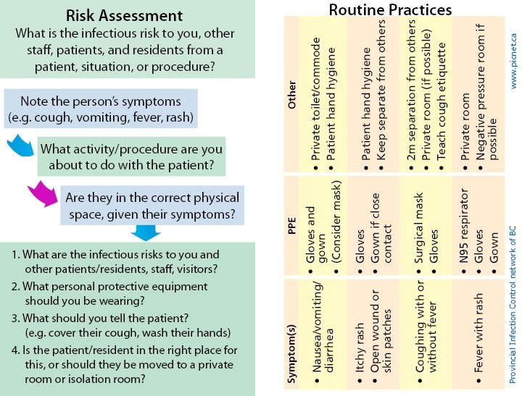
 |  |  |  | Card A
Infection Control Lanyard Cards - Order Form
Save this file to your computer, fill in all fields, save again, and then email the file (as an attachment) to helen.evans@phsa.ca. Please leave the file in Excel format and do not PDF.
The cards cost 80 cents (Canadian) each, plus postage.
For all orders, please fill out form and email us for shipping rate

Your name
Job title
Name of Facility
Address
City
Province | BC
Post code
Telephone
Email |  |  |  | Card B
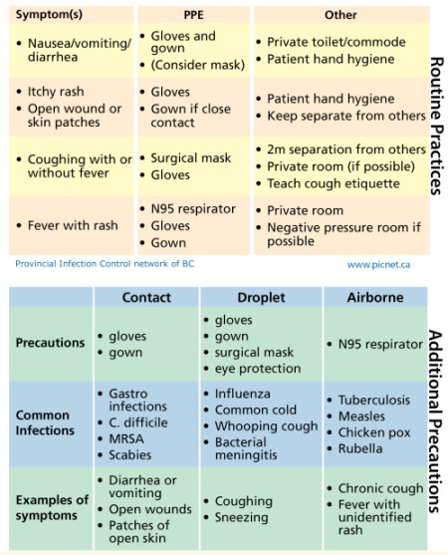
 | Card A: Routine Practices + Risk Assessment |  | Card B: Routine Practices + Additional Precautions
Number of cards | 0 |  | 0
Cost | $- |  | $-

Subtotal | $-
Postage cost | $- | Shipping is by Canada Post.
Total Cost | $-

Method of payment |  | (select from drop-down)
Name on credit card | Please type the name on the credit card here
Credit card number | We will call you to get your credit card number
Expiry Date
CVC (3-digit number on back)

The lanyards will be mailed to you and a confirmation email will be sent once payment is processed.

If you have any questions about this form, please email picnet@phsa.ca

